FORM 10a - CW
FDP Form 10a - Bid Results on Civil Works
Note: Bid Results are in three (3) separate forms, particularly, for Civil Works (Form 10a -CW), Goods and Services (Form 10b - GS) and Consulting Services
(Form 10c - CS). If there is no bidded project, good or service for the quarter, the forms must still be submitted with the said notation and signed accordingly.

CIVIL WORKS BID-OUT

REGION: | REGION VII - CENTRAL VISAYAS |  | CALENDAR YEAR: | 2023
PROVINCE: | CEBU |  | QUARTER: | 3
CITY/MUNICIPALITY: | CITY OF BOGO

No. | Reference No. | Name of Project | Approved Budget for Contract | Location | Winning Bidder | Name and Address | Bid Amount | Bidding Date | Contract Duration

1 | PR#23-112 | Road Concreting of Tolibao-Bung-aw Elementary School (with Exception) | P6,906,712.73 | BOGO CITY | RDY CONSTRUCTOR | BOGO CITY | P6,904,435.70 | July 18, 2023 | 100CD
2 | PR#23-113 | Concreting of Tolibao Road (Connecting City Road - Provincial Road - Phase 1) | P2,822,210.77 | BOGO CITY | RDY CONSTRUCTOR | BOGO CITY | P2,821,366.72 | July 18, 2023 | 60CD
 | PR#23-123 | Road Rehabilitation of Farm to Market Roads | P19,913,600.28 | BOGO CITY | RDY CONSTRUCTOR | BOGO CITY | P19,911,888.65 | August 17, 2023 | 180CD
 | PR#23-124 | Construction of Grouted Riprap (Class A) NHA, LaPaz | P2,543, 482.28 | BOGO CITY | RDY CONSTRUCTOR | BOGO CITY | P2,542,319.92 | August 17, 2023 | 180CD
 | PR#23-133 | Construction of Perimeter Fence (Brgy. Anonang Sur, Bogo City, Cebu) | P1,260,552.56 | BOGO CITY | RDY CONSTRUCTOR | BOGO CITY | P1,258,076.14 | August 29, 2023 | 120CD
 | PR#23-134 | Construction of Evacuation Center (Phase 3) | P5,500,000.00 | BOGO CITY | FDC CONST. AND SUPPLIES COMPANY | CONSOLACION, CEBU | P5,496,851.62 | August 29, 2023 | 150CD
 | PR#23-146 | Improvement of Bogo City Amphitheater Stage (Phase 1) | P1,800,432.38 | BOGO CITY | BOGO FULLNESS CONST. AND SUPPLY INC. | BOGO CITY | P1,800,000.00 | Sept. 14, 2023 | 120CD
 | PR#23-147 | Construction of Multi-Purpose Bldg. (Phase 2) | P2,728,278.69 | Brgy. Marangog, Bogo City, Cebu | BOGO FULLNESS CONST. AND SUPPLY INC. | BOGO CITY | P2,727,000.00 | Sept. 14, 2023 | 200CD

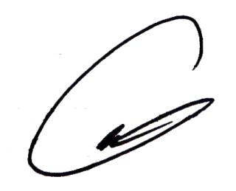
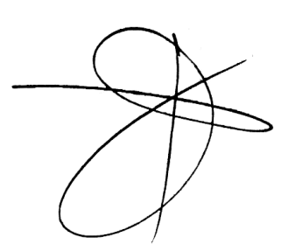
We hereby certify that we have reviewed the contents and hereby attest to the veracity and correctness of the data or information contained in this document.

CARLO FERNANDO G. LOGARTA |  |  | DANTE J. MAYOR | ROGER TONACAO | ENGR. RAMIRO A. LEPON |  |  | NELSON NAVARES
Chairman |  |  | Member | Member | Member |  |  | Member

